Screenshot
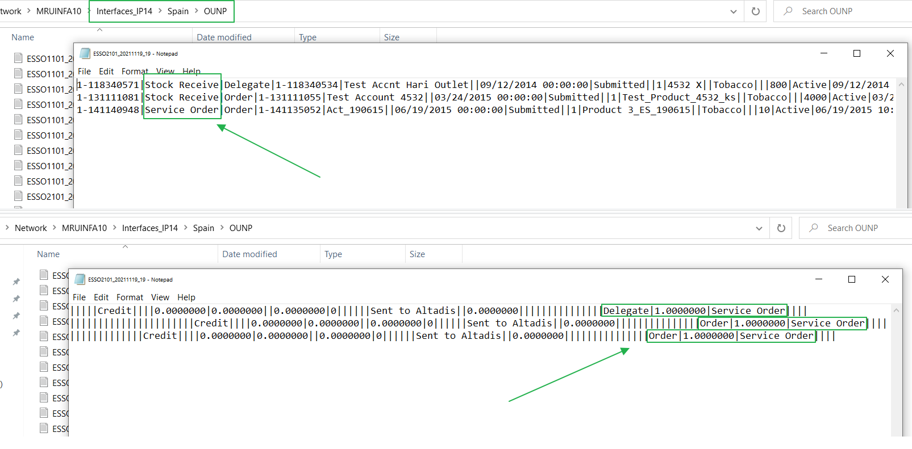
Screenshot 1

Screenshot 2

Screenshot 3

